Hiearchy View
CLASS: GPS CLOCK
time scale maintained by the atomic clocks of satellites and ground control stations of the Global Positioning System |  | 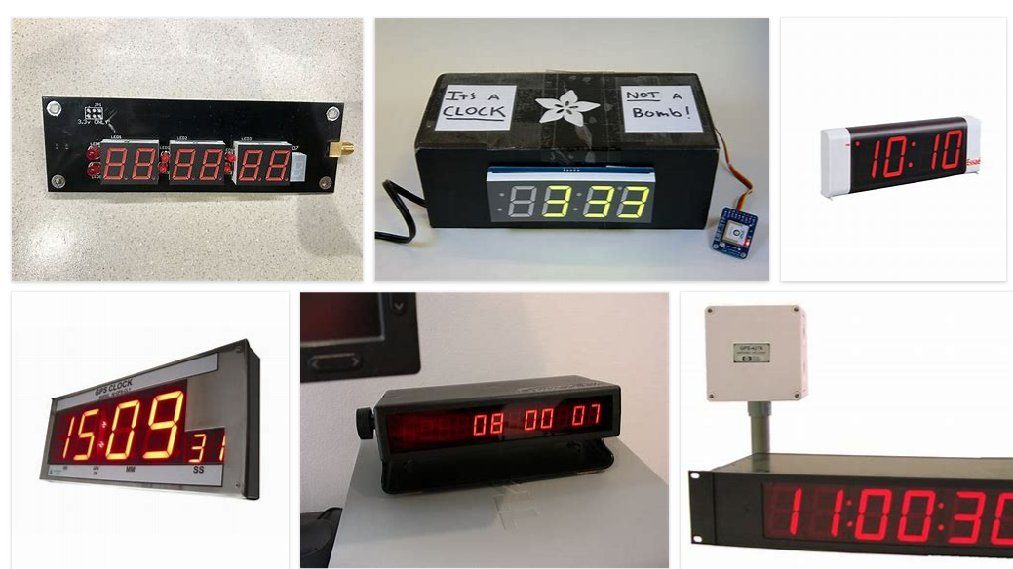
REMOVE | N

PROBLEM_DESC | CAUSE_DESC | REMEDY_DESC
ALARM/SENSOR
BROKEN/DAMAGED
OTHER PROBLEM
OVERHEATING
POWER-ELEC
PRESSURE
STOPPED/SLOWED/POOR OPS
TEMP-CTRL
VIBRATION
Grand Total

